Sheet1
 | Document No. |  | Issue No. | Issue Date |  | Review and Replace Date |  | Authorised By
 | GFF317MC |  | 1 | 21.09.2021 |  | New Issue
 | Document Title |  | 6 VEGETABLE PAKORA 180g
 |  |  |  |  |  |  |  | Magda Shah
Document amendments reason for change | New document |  | Page 1 of 1 |  | Previous Issue Date |  | New Issue | Uncontrolled copy unless signed original

FVPLC2-R20TDO |  | DONALD RUSSEL |  | 6 VEGETABLE PAKORA 180g | FROZEN

   |  |  |  |  | 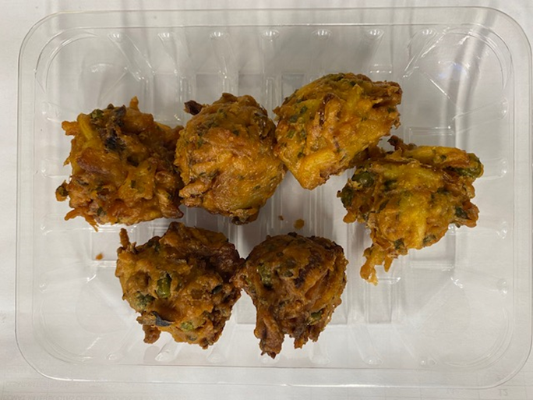

AFTER PACKING PRODUCT NEED TO BE SEND TO DISPATCH BLAST FREEZER

Tray: SK4 Plain Clear (PKESS001-07) |  |  |  |  | Vegetable Pakora 30g (GFF122R): 6 pieces
LINE 2: ME410AFV2, 410mm wide x 1000m linear PET Antifog WELD seal (PKRPO001-12) |  |  |  |  | Total Weight: 180g
ALLERGY ALERT: NONE

